Near|FarField
Near-Field | Far-Field - Academy of EMC

Version: | 1.00.00.2020
Author: | Reto Keller, Academy of EMC
Date: | 2020-Jun-14

Ideal Electrical Hertzian Dipole vs. Real Antennas
For an ideal Hertzian Dipole (indefinitely small) the near-field to far-field boundary is defined as d=l/(2*p).
In practice, the boundary between near- and far-field depends on the wavelength l [m] and the maximum dimension D [m] of the antenna.
The areas around a transmitting antenna can be roughly categorized in three parts: reactive near-field, radiative near-field, far-field.

Electrically small antennas (D<l/2)
Electrically small antennas (D<l/2), have a reactive near-field, but no significant radiative near-field or far-field.

Electrically large antennas (D>l/2)
Electrically large antennas (D>l/2), have all three categories of fields: reactive near-field, radiative near-field, far-field.

Physical quantity |  | Unit |  | Physical constants |  | Value | Unit
Frequency f |  | [Hz] |  | Speed of light c |  | 299800000 | [m/s]
Wavelength l |  | [m] |  | Permittivity of vacuum e0 |  | 8.854E-12 | [F/m]
 |  |  |  | Permeability of vacuum m0 |  | 1.2566370614E-06 | [H/m]

Input parameters |  | Value | Unit | Remark
Relative permittivity ereff |  | 1 | [1] | ereff influences l. In case the antenna is a PCB-trace or cable, calculate ereff accordingly.
Relative permeability mreff |  | 1 | [1] | mreff influences l. mreff is usually 1.
Maximum dimension D |  | 1 | [m] | Maximum linear dimension D (aperture, length) of the antenna.
f where D= l/2 |  | 1.50E+08 | [Hz] | Frequency f at which the antenna with dimension D starts to be a good radiator.
 | Reactive Near-Field Boundary of Electrically Small Antenna (D<λ/2) |  | Reactive Near-Field Boundary of Electrically Large Antenna (D>λ/2) |  | Radiative Near-Field Boundary of Electrically Large Antenna (D>λ/2) |  | Frequency for which D=λ/2
1.00E+04 | 4771.4651939 | 1.00E+04 | 0.0035807654565 | 1.00E+04 | 6.6711140761E-05 | 1.50E+08 | 4771.4651939
1.00E+05 | 477.14651939 | 1.00E+05 | 0.011323374609 | 1.00E+05 | 0.00066711140761 | 1.50E+08 | 6.6711140761E-05
1.00E+06 | 47.714651939 | 1.00E+06 | 0.035807654565 | 1.00E+06 | 0.0066711140761
1.00E+07 | 4.7714651939 | 1.00E+07 | 0.11323374609 | 1.00E+07 | 0.066711140761
1.00E+08 | 0.47714651939 | 1.00E+08 | 0.35807654565 | 1.00E+08 | 0.66711140761
1.00E+09 | 0.047714651939 | 1.00E+09 | 1.1323374609 | 1.00E+09 | 6.6711140761
1.00E+10 | 0.0047714651939 | 1.00E+10 | 3.5807654565 | 1.00E+10 | 66.711140761
1.00E+11 | 0.00047714651939 | 1.00E+11 | 11.323374609 | 1.00E+11 | 667.11140761

Frequency and Wavelength |  |  | Electrically small antennas (D<l/2) | Electrically large antennas (D>l/2)
f [Hz] | l [m] | l/2 [m] | Reactive Near Field Boundary [m] | Reactive Near Field Boundary [m] | Radiative Near Field Boundary [m]
1.00E+04 | 29980 | 14990 | 4771.4651939 | 0.0035807654565 | 6.6711140761E-05
1.00E+05 | 2998 | 1499 | 477.14651939 | 0.011323374609 | 0.00066711140761
1.00E+06 | 299.8 | 149.9 | 47.714651939 | 0.035807654565 | 0.0066711140761
1.00E+07 | 29.98 | 14.99 | 4.7714651939 | 0.11323374609 | 0.066711140761
1.00E+08 | 2.998 | 1.499 | 0.47714651939 | 0.35807654565 | 0.66711140761
1.00E+09 | 0.2998 | 0.1499 | 0.047714651939 | 1.1323374609 | 6.6711140761
1.00E+10 | 0.02998 | 0.01499 | 0.0047714651939 | 3.5807654565 | 66.711140761
1.00E+11 | 0.002998 | 0.001499 | 0.00047714651939 | 11.323374609 | 667.11140761

References:
[1] Constantine A. Balanis, Antenna Theory Analysis and Design, John Wiley & Sons Inc., 3rd. Edition, 2005, pp. 34-36

Disclaimer: Your use of this Academy of EMC Excel-Sheet indicates that you accept full responsibility for the results produced, and that you agree to indemnify and hold harmless Reto Keller, Academy of EMC, and it assigns, for any damages that may result from its use.

Γ⇄RL⇄VSWR
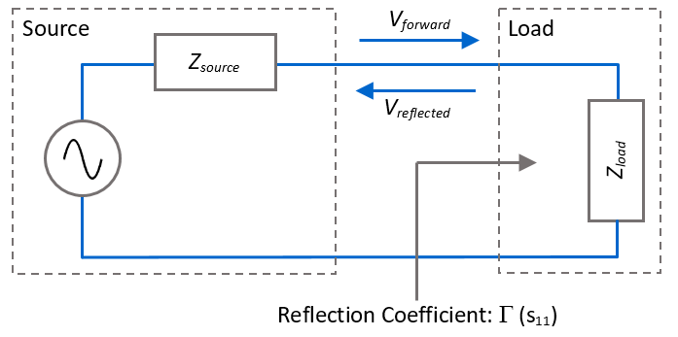
Impedance Matching Calculations (G, VSWR, RL) - Academy of EMC

Version: | 1.00.00.2020
Author: | Reto Keller, Academy of EMC
Date: | 2020-Jul-31

Physical quantity |  | Unit | Remark
Source/system impedance Zsource / Z0 |  | [W] | Typical 50W
Load impedance Zload |  | [W] | E.g. impedance of the antenna
Reflection coefficient G, s11 |  | [1] | G = Vreflected/Vforward
Voltage standing wave ratio VSWR |  | [1] | VSWR = StandingWaveMax/StandingWaveMin
Return loss RL |  | [dB] | RL = 10*log10(Pforward/Preflected)
Power Transfer PT |  | % | Power dissipated in load in %. PT = 100%/P100%Matched*Punmatched. Power reflectec by load = (G 2)*Psource
Power reflected PR |  | % | Power reflected by load in %. PR = 100% - Ptransferred. Power transferred to load = Psource*(1̶ G 2)

$$Z_{load}=Z_{0}$$
$$Z_{load}=1.4∙Z_{0}$$
$$Z_{load}=0.7∙Z_{0}$$
Degree of Matching | Zload [W] | |Г| [1] | |Г| [dB] | |VSWR|:1 [1] | RL [dB] | Power Transfer [%] | Power Reflection [%]
Perfectly matched |  | 0 | -∞ | 1:1 | ∞ | 100 | 0
Good matching |  | < 0.2 | < -14 [dB] | < 1.5:1 | > 14 [dB] | > 96 | < 4
$$Z_{load}=1.4…1.9∙Z_{0}$$
$$Z_{load}=0.5…0.7∙Z_{0}$$
Poor matching |  | 0.2...0.3 | -14…-10 [dB] | 1.5:1...2:1 | 10…14 [dB] | 89…94 | 4...11
$$Z_{load}>1.9∙Z_{0}$$
$$Z_{load}<0.5∙Z_{0}$$
Unmatched |  | > 0.3 | -10…0 [dB] | > 2:1 | 0…10 [dB] | < 89 | > 11
$$Z_{load}=0$$
$$Z_{load}=∞$$
Total reflection |  | 1 | 0 | ∞ | 0 | 0 | 100

Input parameters |  | Value | Unit | Remark
System impedance Z0 |  | 50 | [Ohm] | System impedance Z0 or source impedance Zsource . This sheet only calculates with real parts (no imaginary part)

Known input values |  |  | Unit | Zload [Ω] | |Г| [1] | |Г| [dB] | |VSWR|:1 [1] | RL [dB] | Power Transfer [%] | Power Reflection [%]
Load impedance Zload |  | 70.0 | [W] |  | 0.16666666667 | -15.563025008 | 1.4 | 15.563025008 | 97.222222222 | 2.7777777778
Reflection coefficient G, s11 |  | 0.01 | [1] | 51.01010101 |  |  | 1.0202020202 | 40 | 99.99 | 0.01
Voltage standing wave ratio |VSWR| |  | 1.02 | [1] | 51 | 0.009900990099 | -40.086427476 |  | 40.086427476 | 99.99019704 | 0.0098029604941
 |  |  |  | 49.019607843 | 0.009900990099 | -40.086427476 |  | 40.086427476 | 99.99019704 | 0.0098029604941
Return loss RL |  | 20 | [dB] | 61.111111111 | 0.1 | -20 | 1.2222222222 |  | 99 | 1
 |  |  |  | 40.909090909 | 0.1 | -20 | 1.2222222222 |  | 99 | 1

References:
[1] Reference Data for Engineers, Newens, 9th Edition, 2002, pages: 12-25, 29-8, 31-2

Disclaimer: Your use of this Academy of EMC Excel-Sheet indicates that you accept full responsibility for the results produced, and that you agree to indemnify and hold harmless Reto Keller, Academy of EMC, and it assigns, for any damages that may result from its use.

Wavelength
Wavelength vs. Frequency Calculator - Academy of EMC

Version: | 1.00.00.2020
Author: | Reto Keller, Academy of EMC
Date: | 2020-July-31

Wavelength λ [m] of a sinusoidal signal is given by its frequency f [Hz] and the velocity of the electromagnetic wave v [m/sec]: λ=v/f.
Velocity v [m/sec] is given by the permittivity e=e0*er and the permeability m=m0*mr of the media(s) througth with the electromagnetic wave travels: v=1/√(e0*er*m0*mr)=c/√(er*mr)

Physical constants |  | Value | Unit
Speed of light c |  | 299795637.69 | [m/s]
Permittivity of vacuum e0 |  | 8.854E-12 | [F/m]
Permeability of vacuum m0 |  | 1.2566370614E-06 | [H/m]

Input parameters |  | Value | Unit | Remark
Relative permittivity ereff |  | 1 | [1] | Relative (effective) permittivity of media through with electromagnetic field travels. Set ereff=1 for air.
Relative permeability mreff |  | 1 | [1] | Relative (effective) permeability of media through with electromagnetic field travels. Set mreff=1 for air.
Velocity v |  | 299795637.69 | [m/sec] | Velocity of the sinusoidal signal with frequency f and wavelangth l.

Wavelength l [m] vs. Frequency f [Hz]
Calculation of the wavelength l for frequency f and vice versa of an electromagnetic wave in a media with ereff and mreff.
Known input values |  | Value | Unit | f [Hz] | l [m] | l/2 [m] | Remark
Frequency f |  | 3.00E+16 | [Hz] |  | 9.9931879231E-09 | 4.9965939616E-09 | Frequency of the sinusoidal signal. Set er and mr of the media above.
Wavelength l |  | 0.299 | [m] | 1.00E+09 |  |  | Wavelength of the sinusoidal signal. Set er and mr of the media above.

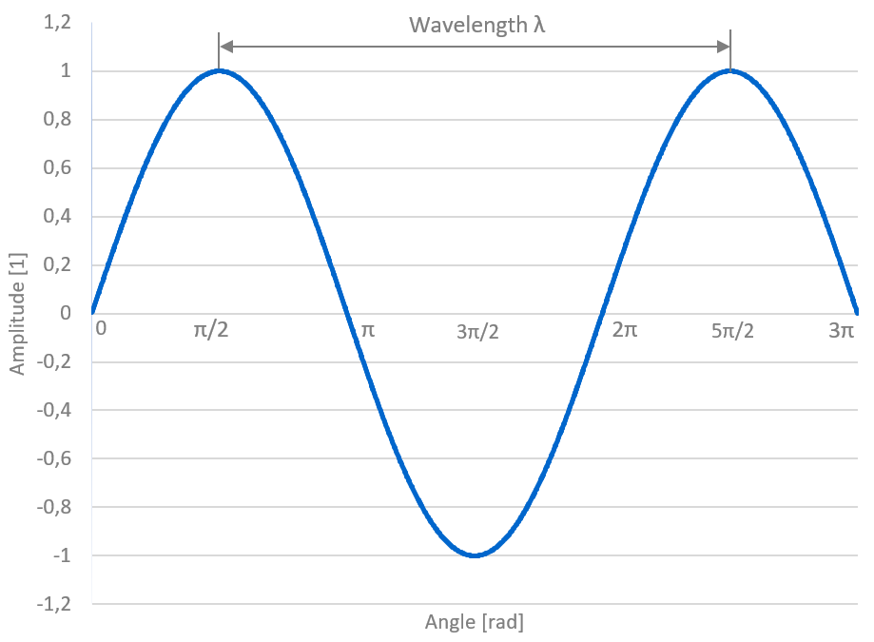

References:
[1] Clayton R. Paul. Introduction to Electromagnetic Compatibility. John Wiley & Sons Inc., 2nd Edition, 2008, pp. 185-186

Disclaimer: Your use of this Academy of EMC Excel-Sheet indicates that you accept full responsibility for the results produced, and that you agree to indemnify and hold harmless Reto Keller, Academy of EMC, and it assigns, for any damages that may result from its use.

e_reff
Effective Dielectric Constant ereff Calculator - Academy of EMC

Version: | 1.00.00.2020
Author: | Reto Keller, Academy of EMC
Date: | 2020-July-31

The effective dielectric constant ereff is defined as the uniform equivalent dielectric constant for a transmission, even in presence of different dielectrica (e.g. air, FR-4).
The effective dielectric constant for coaxial cables, waveguides and embedded striplines is equeal the dielectric constant of the dielectric bulk material.
The formulas used here are only approximations and effects of e.g. trace thickness, solder-mask coverage etc. are ignored. Relative permeability mr is assumed to be 1.

Microstrip line

Input parameters |  | Value | Unit | Remark
Relative permittivity er |  | 4.5 | [1] | Dielectric constant / relative permittivity of the PCB material (substrate).
Trace width w |  | 0.3 | [mm] | Trace witdth of the trace at the very outside layer (top, bottom) of a PCB. Use the same unit for w as for h.
Height of trace to plane h |  | 0.5 | [mm] | Distance between ground/supply reference plane and the trace. Use the same unit for h as for w.
Calculated ereff |  | Value | Unit | Remark
Effective permittivity ereff |  | 3.1430813079 | [1] | Effective dielectric constant. Accurace within 1% for er≤16, 0.05≤w/h≤20 (<2% error for w/h<0.05) [1].

Coplanar waveguide with reference plane

Input parameters |  | Value | Unit | Remark
Relative permittivity er |  | 4.5 | [1] | Dielectric constant / relative permittivity of the PCB material (substrate).
Trace width w |  | 0.3 | [mm] | Trace witdth of the trace at the very outside layer (top, bottom) of a PCB.
Space s |  | 0.5 | [mm] | Space to the adjusted ground plane on the same layer like the trace.
Height of trace to plane h |  | 0.5 | [mm] | Distance between ground/supply reference plane and the trace.
Calculated ereff |  | Value | Unit | Remark
Effective permittivity ereff |  | 3.0041848324 | [1] | Effective dielectric constant of coplanar stripline with reference plane [1]. To avoid microstrip mode, chose (s+w+s)>>h [2].

Stripline

Input parameters |  | Value | Unit | Remark
Relative permittivity er |  | 4.5 | [1] | Dielectric constant / relative permittivity of the PCB material (substrate).
Calculated ereff |  | Value | Unit | Remark
Effective permittivity ereff |  | 4.5 | [1] | Effective dielectric constant of a stripline (traced, sandwiched between two reference planes) is equal er of the substrate [1].

Parallel wires / Ribbon cable
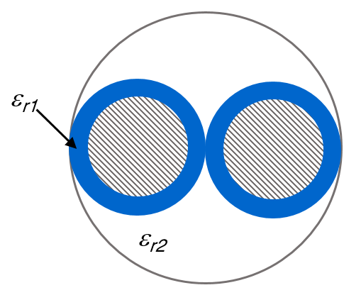

Input parameters |  | Value | Unit | Remark
Relative permittivity er1 |  | 3 | [1] | Dielectric constant / relative permittivity of the wire insulation.
Relative permittivity er2 |  | 1 | [1] | Dielectric constant / relative permittivity of the surrounding of the twisted pair. In case of air (e.g. for ribbon cable), set er2 = 1.
Calculated ereff |  | Value | Unit | Remark
Effective permittivity ereff |  | 1.5 | [1] | The effective dielectric constant of a stripline (traced, sandwiched between two reference planes) is equal er of the substrate.

Twisted pair / Twisted pair cable
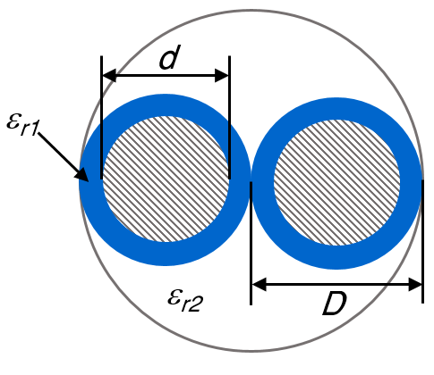

Input parameters |  | Value | Unit | Remark
Relative permittivity er1 |  | 3 | [1] | Dielectric constant / relative permittivity of the wire insulation.
Relative permittivity er2 |  | 1 | [1] | Dielectric constant / relative permittivity of the surrounding of the twisted pair. In case of air, set er2 = 1.
Diameter of wire D |  | 0.002 | [m] | Diameter of a single wire of the twisted pair. Use the same unit for the diameter D as for twists T per unit length.
Twists T per [m] |  | 100 | [1] | Twists per meter [m]. If you set the number of twists not per [m] but e.g. per [cm], you have to use [cm] as unit for diameter D.
Calculated ereff |  | Value | Unit | Remark
Effective permittivity ereff |  | 1.5002517607 | [1] | The effective dielectric constant of a stripline (traced, sandwiched between two reference planes) is equal er of the substrate.

References:
[1] Brian C. Wadell, Transmission line design handbook, Artech House Inc., 1991, pp.93-94
[2] M.Riaziat, I.J.Feng, R.Majidi-Ahy and B.A.Auld, Single-mode operation of coplanar waveguides, Electronic Letters, Vol. 23, No. 24, 19.Nov.1987, pp.1281-1283
[3] Peter Lefferson, Twisted Magnet Wire Transmission Line, IEEE Transactions on parts, hybrids, and packaging, Vol. PHP-7, No. 4, 1971 pp. 148-154

Disclaimer: Your use of this Academy of EMC Excel-Sheet indicates that you accept full responsibility for the results produced, and that you agree to indemnify and hold harmless Reto Keller, Academy of EMC, and it assigns, for any damages that may result from its use.

SkinDepth
Skin Depth - Academy of EMC

Version: | 1.00.00.2021
Author: | Reto Keller, Academy of EMC
Date: | 2021-Jan-15

Conductors & skin effect
With higher frequency of an electrical signal the skin effect leads to an increased resistance of a conductor, because the current tends to crowd close to the outer peri-
phery. The skin depth d [m] is defined as the distance from the conductor edge where the current density has fallen to 37% (37% = 1/e = 1/2.72) of the current density
at the surface of the conductor Js [A/m2]. The current density Jd [A/m2] at distance d [m] from the conductor surface is defined as [1]:

Shielding & skin effect
Imagine an electromagnetic plane wave of field strength E0 and H0 entering an absorbing material (shield). The skin depth d [m] is the distance an electromagnetic wave
has to travel through that absorbing material until its field strength is reduced to 37% of E0 or H0 (37%=1/e). This means that the power of the plane electromagnetic wave
is lowered by 20·log10(0.37) = 9dB after it traveled the distance d [m]. The attenuation of an electromagnetic plane wave is defined like this [2]:
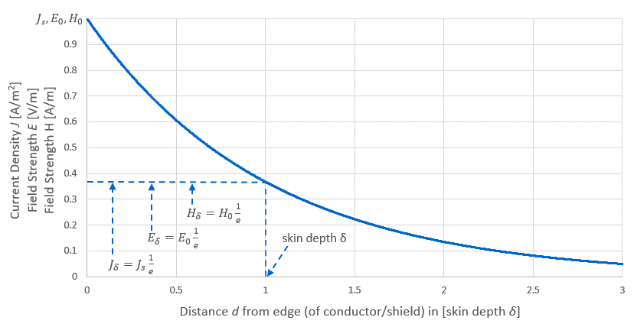

Physical quantity |  | Unit
Current density J |  | [A/m2]
Electric field E |  | [V/m]
Magnetic field H |  | [A/m]
Distance d |  | [m]
Skin depth d |  | [m]

Physical constants | Value | Unit
Speed of light | 299800000 | [m/s]
Permittivity of vacuum e0 | 8.854E-12 | [F/m]
Permeability of vacuum m0 | 1.2566370614E-06 | [H/m]

Skin depth
Input parameters | Value | Unit | Remark
Concuctivity s | 5.8e7 | [S/m] | Specific conductivity [S/m] of the conductor or shield.
Relative permeability mr | 1 | [1] | Relative permeability of the conductor or shield material
Skin depth d [mm]
Relative permittivity er | 1 | [1] | Relative permittivity (dielectric constant) of the conductor or shield material.

Frequency | Skin depth
[Hz] | [mm] | [um]
10 | 20.898067849 | 20898.067849
100 | 6.6085493101 | 6608.5493101
1,000 | 2.0898067849 | 2089.8067849
10,000 | 0.66085493101 | 660.85493101
100,000 | 0.20898067849 | 208.98067849
1,000,000 | 0.066085493101 | 66.085493101
10,000,000 | 0.020898067849 | 20.898067849
100,000,000 | 0.0066085493104 | 6.6085493104
1,000,000,000 | 0.0020898067859 | 2.0898067859
10,000,000,000 | 0.00066085493418 | 0.66085493418
100,000,000,000 | 0.00020898068852 | 0.20898068852

HF-Resistance - round conductor
The resistance of a conductor increases with incerasing frequency, because the effective area Aeff througth which the current flows. Aeff is a function of the skin depth d. The
calculations below for a round wire (diameter D) are approximations [3][4] and ignore the return curren path (proximity effect) and assume a single conductor surrounded by air.
Input parameters | Value | Unit | Remark
Concuctivity s | 5.8e7 | [S/m] | Specific conductivity [S/m] of the conductor or shield.
Relative permeability mr | 1 | [1] | Relative permeability of conductor or shield.
Relative permittivity er | 1 | [1] | Relative permittivity (dielectric constant) of conductor or shield.
Diameter D | 1 | [mm] | Outer diameter D of a round conductor.
Resistance per unit length RAC' [W/m] of a round conductor with Diameter D
Frequency [Hz] | d [mm] | d' [mm] | Z [1] | Y [1] | Aeff [mm2] | Aeff [m2] | r [W/m]
10 | 20.898067849 | 0.49406600491 | 0.014835342781 | 8.2376275845E-05 | 0.78535222976 | 7.8535222976E-07 | 0.021953689895
20 | 14.77716549 | 0.49163560747 | 0.020980342963 | 0.00017497791028 | 0.78531575682 | 7.8531575682E-07 | 0.021954709504
50 | 9.3459000619 | 0.48686051039 | 0.033172834927 | 0.00047300262999 | 0.78522701825 | 7.8522701825E-07 | 0.021957190608
100 | 6.6085493101 | 0.48155325019 | 0.046913473056 | 0.0010013176907 | 0.78511449679 | 7.8511449679E-07 | 0.021960337481
200 | 4.672950031 | 0.47417937989 | 0.066345669854 | 0.0021111768015 | 0.78495734217 | 7.8495734217E-07 | 0.021964734112
500 | 2.955433098 | 0.45999260824 | 0.10490171481 | 0.0055878579088 | 0.78473035255 | 7.8473035255E-07 | 0.02197108759
1,000 | 2.0898067849 | 0.44468396189 | 0.14835342781 | 0.011452036435 | 0.78466963862 | 7.8466963862E-07 | 0.021972787606
2,000 | 1.477716549 | 0.42419528301 | 0.20980342963 | 0.022791137346 | 0.78483413206 | 7.8483413206E-07 | 0.021968182328
5,000 | 0.93459000619 | 0.38722602971 | 0.33172834927 | 0.052535891696 | 0.7846060257 | 7.846060257E-07 | 0.021974569078
10,000 | 0.66085493101 | 0.35074134233 | 0.46913473056 | 0.091121216726 | 0.78059826674 | 7.8059826674E-07 | 0.022087391229
20,000 | 0.4672950031 | 0.30700689774 | 0.66345669854 | 0.14361724844 | 0.76437700694 | 7.6437700694E-07 | 0.02255611976
50,000 | 0.2955433098 | 0.24110783939 | 1.0490171481 | 0.18870289374 | 0.68330498717 | 6.8330498717E-07 | 0.025232333488
100,000 | 0.20898067849 | 0.18988091187 | 1.4835342781 | 0.11998357847 | 0.5412422634 | 5.412422634E-07 | 0.031855197712
200,000 | 0.1477716549 | 0.14275848028 | 2.0980342963 | 0.039990293943 | 0.39983818965 | 3.9983818965E-07 | 0.043120891792
500,000 | 0.093459000619 | 0.093015216329 | 3.3172834927 | 0.0066274860014 | 0.26679191161 | 2.6679191161E-07 | 0.06462482017
1,000,000 | 0.066085493101 | 0.066051275248 | 4.6913473056 | 0.0016396078057 | 0.19411790812 | 1.9411790812E-07 | 0.088819107302
2,000,000 | 0.04672950031 | 0.046728446669 | 6.6345669854 | 0.00040653737941 | 0.13999881889 | 1.3999881889E-07 | 0.12315374835
5,000,000 | 0.02955433098 | 0.029554329652 | 10.490171481 | 6.4672019556E-05 | 0.090109441603 | 9.0109441603E-08 | 0.19133821055
10,000,000 | 0.020898067849 | 0.020898067849 | 14.835342781 | 1.6130616024E-05 | 0.064282227951 | 6.4282227951E-08 | 0.26821377945
20,000,000 | 0.01477716549 | 0.01477716549 | 20.980342963 | 4.0262878383E-06 | 0.045738006013 | 4.5738006013E-08 | 0.37695957505
50,000,000 | 0.0093459000622 | 0.0093459000622 | 33.172834926 | 6.4314828892E-07 | 0.029086624609 | 2.9086624609E-08 | 0.59275971489
100,000,000 | 0.0066085493104 | 0.0066085493104 | 46.913473054 | 1.6060737208E-07 | 0.02062417074 | 2.062417074E-08 | 0.83597927538
200,000,000 | 0.0046729500314 | 0.0046729500314 | 66.345669848 | 4.0108476596E-08 | 0.014611904807 | 1.4611904807E-08 | 1.1799542591
500,000,000 | 0.0029554330987 | 0.0029554330987 | 104.90171479 | 6.4083288641E-09 | 0.009257326463 | 9.257326463E-09 | 1.8624577387
1,000,000,000 | 0.0020898067859 | 0.0020898067859 | 148.35342774 | 1.6003859023E-09 | 0.0065516014029 | 6.5516014029E-09 | 2.6316282463
2,000,000,000 | 0.0014777165504 | 0.0014777165504 | 209.80342943 | 3.9967348272E-10 | 0.0046355233339 | 4.6355233339E-09 | 3.7194029818
5,000,000,000 | 0.00093459000843 | 0.00093459000843 | 331.72834848 | 6.3858455562E-11 | 0.002933357054 | 2.933357054E-09 | 5.8776954161
10,000,000,000 | 0.00066085493418 | 0.00066085493418 | 469.13472831 | 1.5947749723E-11 | 0.0020747649809 | 2.0747649809E-09 | 8.3100396761
20,000,000,000 | 0.00046729500758 | 0.00046729500758 | 663.45669218 | 3.9827261344E-12 | 0.0014673645502 | 1.4673645502E-09 | 11.749894945
50,000,000,000 | 0.00029554331689 | 0.00029554331689 | 1049.017123 | 6.3634659088E-13 | 0.00092820230806 | 9.2820230806E-10 | 18.575023096
100,000,000,000 | 0.00020898068852 | 0.00020898068852 | 1483.5342069 | 1.5891862641E-13 | 0.00065639499323 | 6.5639499323E-10 | 26.266774561

HF-Resistance - PCB trace
The resistance of a conductor increases with incerasing frequency, because the effective area Aeff througth which the current flows. Aeff is a function of the skin depth d. The
calculations below for a PCB trace (w, h) are approximations [3][4] and ignore the return current path (proximity effect) and assume a single conductor surrounded only by air.
Input parameters | Value | Unit | Remark
Concuctivity s | 5.8e7 | [S/m] | Specific conductivity [S/m] of the conductor or shield.
Relative permeability mr | 1 | [1] | Relative permeability of conductor or shield.
Relative permittivity er | 1 | [1] | Relative permittivity (dielectric constant) of conductor or shield.
Width w | 0.25 | [mm] | Width w of a rectangular conductor.
Height h | 0.035 | [mm] | Heigth h of a rectangular conductor.
Resistance per unit length RAC' [W/m] of a PCB trace with width w and heigth h
A[mm2] | 0.00875
RDC'[W/m] | 1.9704433498
Frequency [Hz] | d [mm] | wnoI [mm] | hnoI [mm] | AnoI[mm2] | AAC[mm2] | RAC'[W/m]
10 | 20.898067849 | -41.546135699 | -41.761135699 | 0 | 0.00875 | 1.9704433498
20 | 14.77716549 | -29.30433098 | -29.51933098 | 0 | 0.00875 | 1.9704433498
50 | 9.3459000619 | -18.441800124 | -18.656800124 | 0 | 0.00875 | 1.9704433498
100 | 6.6085493101 | -12.96709862 | -13.18209862 | 0 | 0.00875 | 1.9704433498
200 | 4.672950031 | -9.0959000619 | -9.3109000619 | 0 | 0.00875 | 1.9704433498
500 | 2.955433098 | -5.660866196 | -5.875866196 | 0 | 0.00875 | 1.9704433498
1,000 | 2.0898067849 | -3.9296135699 | -4.1446135699 | 0 | 0.00875 | 1.9704433498
2,000 | 1.477716549 | -2.705433098 | -2.920433098 | 0 | 0.00875 | 1.9704433498
5,000 | 0.93459000619 | -1.6191800124 | -1.8341800124 | 0 | 0.00875 | 1.9704433498
10,000 | 0.66085493101 | -1.071709862 | -1.286709862 | 0 | 0.00875 | 1.9704433498
20,000 | 0.4672950031 | -0.68459000619 | -0.89959000619 | 0 | 0.00875 | 1.9704433498
50,000 | 0.2955433098 | -0.3410866196 | -0.5560866196 | 0 | 0.00875 | 1.9704433498
100,000 | 0.20898067849 | -0.16796135699 | -0.38296135699 | 0 | 0.00875 | 1.9704433498
200,000 | 0.1477716549 | -0.0455433098 | -0.2605433098 | 0 | 0.00875 | 1.9704433498
500,000 | 0.093459000619 | 0.063081998761 | -0.15191800124 | 0 | 0.00875 | 1.9704433498
1,000,000 | 0.066085493101 | 0.1178290138 | -0.097170986202 | 0 | 0.00875 | 1.9704433498
2,000,000 | 0.04672950031 | 0.15654099938 | -0.058459000619 | 0 | 0.00875 | 1.9704433498
5,000,000 | 0.02955433098 | 0.19089133804 | -0.02410866196 | 0 | 0.00875 | 1.9704433498
10,000,000 | 0.020898067849 | 0.2082038643 | -0.006796135699 | 0 | 0.00875 | 1.9704433498
20,000,000 | 0.01477716549 | 0.22044566902 | 0.0054456690197 | 0.0012004741503 | 0.0075495258497 | 2.2837698226
50,000,000 | 0.0093459000622 | 0.23130819988 | 0.016308199876 | 0.0037722203565 | 0.0049777796435 | 3.4636686525
100,000,000 | 0.0066085493104 | 0.23678290138 | 0.021782901379 | 0.005157818589 | 0.003592181411 | 4.7996961561
200,000,000 | 0.0046729500314 | 0.24065409994 | 0.025654099937 | 0.0061737643301 | 0.0025762356699 | 6.692469758
500,000,000 | 0.0029554330987 | 0.2440891338 | 0.029089133803 | 0.0071003414729 | 0.0016496585271 | 10.451483763
1,000,000,000 | 0.0020898067859 | 0.24582038643 | 0.030820386428 | 0.0075762793016 | 0.0011737206984 | 14.689507763
2,000,000,000 | 0.0014777165504 | 0.2470445669 | 0.032044566899 | 0.0079164361511 | 0.00083356384892 | 20.683933609
5,000,000,000 | 0.00093459000843 | 0.24813081998 | 0.033130819983 | 0.0082207775291 | 0.00052922247087 | 32.578698486
10,000,000,000 | 0.00066085493418 | 0.24867829013 | 0.033678290132 | 0.0083750596045 | 0.00037494039551 | 45.984320487
20,000,000,000 | 0.00046729500758 | 0.24906540998 | 0.034065409985 | 0.0084845153042 | 0.00026548469582 | 64.943025273
50,000,000,000 | 0.00029554331689 | 0.24940891337 | 0.034408913366 | 0.0085818896928 | 0.00016811030722 | 102.55991792
100,000,000,000 | 0.00020898068852 | 0.24958203862 | 0.034582038623 | 0.0086310556993 | 0.00011894430074 | 144.95338745

References:
[1] Clayton R. Paul. Introduction to electromagnetic compatibility. John Wiley & Sons Inc., 2nd Edition, 2008, p. 273
[2] Clayton R. Paul. Introduction to electromagnetic compatibility. John Wiley & Sons Inc., 2nd Edition, 2008, pp. 925-926
[3] David Knight. Components & Materials. Resistance, resistors, and conductors. http://www.g3ynh.info/zdocs/comps/part_1.html. 2008 [02.Jan.2021]
[4] Dr. Howard Johnson, Martin Graham. High Speed Signal Propagation: Advanced Black Magic. Prentice Hall. 1997. p.155

Disclaimer: Your use of this Academy of EMC Excel-Sheet indicates that you accept full responsibility for the results produced, and that you agree to indemnify and hold harmless Reto Keller, Academy of EMC, and it assigns, for any damages that may result from its use.

Shielding
Shielding - Academy of EMC

Version: | 2.00.00.2022
Author: | Reto Keller, Academy of EMC
Date: | 2022-Dec-30

Shielding theory
Shielding of electromagnetic waves is usually achieved by: - Reflection. Let us suppose an electromagnetic wave that impinges on a shield with an intrinsic impedance ηs lower than the wave impedance Zw: |ηs| < |Zw|. In that case, the E-field is partially reflected at the shield’s outer surface, and the H-field is partially reflected at the inner surface [1]. - Absorption. When an electromagnetic wave propagates through a lossy media (like a good conductor with α > 0), the amplitudes of the electric E-field and the magnetic H-field decrease exponentially with e^(−αt), where α [1/m] is the attenuation coefficient and t [m] the shield thickness [1].

Assumptions: The shiesling effectiveness is calculated in this sheet for a plane wave in the far-field. The medium before and after the shield is air.

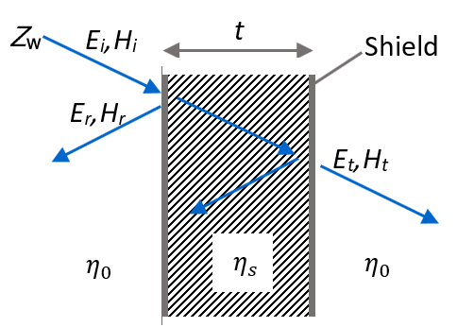
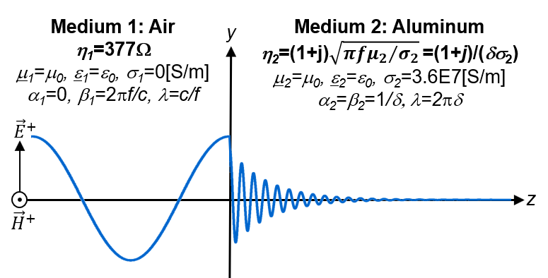
Physical quantity |  | Unit
Electric field E |  | [V/m]
Magnetic field H |  | [A/m]
Distance d |  | [m]
Skin depth d |  | [m]

Physical constants | Value | Unit
Speed of light | 299800000 | [m/s]
Permittivity of vacuum e0 | 8.854E-12 | [F/m]
Permeability of vacuum m0 | 1.2566370614E-06 | [H/m]

Shielding Effectiveness
Input parameters | Value | Unit | Remark
Concuctivity s | 3.82E+07 | [S/m] | Specific conductivity [S/m] of the shield.
Thickness t | 0.1 | [mm] | Thickness of the shield.
Relative permeability mr | 1 | [1] | Relative permeability of the shield material.
Shielding Effectiveness (SE) for plane waves in the far-field. Medium before and after the shield = air.

Frequency [Hz] | Skin depth [m] | R [dB] | A [dB] | M [dB] | Total [dB]
1.00E+01 | 2.58E-02 | 165 | 0 | -42 | 123
1.10E+01 | 2.46E-02 | 165 | 0 | -42 | 123
1.21E+01 | 2.34E-02 | 165 | 0 | -41 | 123
1.33E+01 | 2.23E-02 | 164 | 0 | -41 | 123
1.46E+01 | 2.13E-02 | 164 | 0 | -41 | 123
1.61E+01 | 2.03E-02 | 163 | 0 | -40 | 123
1.77E+01 | 1.93E-02 | 163 | 0 | -40 | 123
1.95E+01 | 1.84E-02 | 162 | 0 | -39 | 123
2.14E+01 | 1.76E-02 | 162 | 0 | -39 | 123
2.36E+01 | 1.68E-02 | 162 | 0 | -39 | 123
2.59E+01 | 1.60E-02 | 161 | 0 | -38 | 123
2.85E+01 | 1.52E-02 | 161 | 0 | -38 | 123
3.14E+01 | 1.45E-02 | 160 | 0 | -37 | 123
3.45E+01 | 1.39E-02 | 160 | 0 | -37 | 123
3.80E+01 | 1.32E-02 | 160 | 0 | -36 | 123
4.18E+01 | 1.26E-02 | 159 | 0 | -36 | 123
4.59E+01 | 1.20E-02 | 159 | 0 | -36 | 123
5.05E+01 | 1.15E-02 | 158 | 0 | -35 | 123
5.56E+01 | 1.09E-02 | 158 | 0 | -35 | 123
6.12E+01 | 1.04E-02 | 157 | 0 | -34 | 123
6.73E+01 | 9.93E-03 | 157 | 0 | -34 | 123
7.40E+01 | 9.47E-03 | 157 | 0 | -34 | 123
8.14E+01 | 9.03E-03 | 156 | 0 | -33 | 123
8.95E+01 | 8.61E-03 | 156 | 0 | -33 | 123
9.85E+01 | 8.20E-03 | 155 | 0 | -32 | 123
1.08E+02 | 7.82E-03 | 155 | 0 | -32 | 123
1.19E+02 | 7.46E-03 | 155 | 0 | -32 | 123
1.31E+02 | 7.11E-03 | 154 | 0 | -31 | 123
1.44E+02 | 6.78E-03 | 154 | 0 | -31 | 123
1.59E+02 | 6.47E-03 | 153 | 0 | -30 | 123
1.74E+02 | 6.16E-03 | 153 | 0 | -30 | 123
1.92E+02 | 5.88E-03 | 153 | 0 | -30 | 123
2.11E+02 | 5.60E-03 | 152 | 0 | -29 | 123
2.32E+02 | 5.34E-03 | 152 | 0 | -29 | 123
2.55E+02 | 5.09E-03 | 151 | 0 | -28 | 123
2.81E+02 | 4.86E-03 | 151 | 0 | -28 | 123
3.09E+02 | 4.63E-03 | 150 | 0 | -27 | 123
3.40E+02 | 4.42E-03 | 150 | 0 | -27 | 123
3.74E+02 | 4.21E-03 | 150 | 0 | -27 | 123
4.11E+02 | 4.01E-03 | 149 | 0 | -26 | 123
4.53E+02 | 3.83E-03 | 149 | 0 | -26 | 123
4.98E+02 | 3.65E-03 | 148 | 0 | -25 | 123
5.48E+02 | 3.48E-03 | 148 | 0 | -25 | 123
6.02E+02 | 3.32E-03 | 148 | 0 | -25 | 123
6.63E+02 | 3.16E-03 | 147 | 0 | -24 | 123
7.29E+02 | 3.02E-03 | 147 | 0 | -24 | 123
8.02E+02 | 2.88E-03 | 146 | 0 | -23 | 123
8.82E+02 | 2.74E-03 | 146 | 0 | -23 | 123
9.70E+02 | 2.61E-03 | 145 | 0 | -23 | 123
1.07E+03 | 2.49E-03 | 145 | 0 | -22 | 123
1.17E+03 | 2.38E-03 | 145 | 0 | -22 | 123
1.29E+03 | 2.27E-03 | 144 | 0 | -21 | 123
1.42E+03 | 2.16E-03 | 144 | 0 | -21 | 123
1.56E+03 | 2.06E-03 | 143 | 0 | -21 | 123
1.72E+03 | 1.96E-03 | 143 | 0 | -20 | 123
1.89E+03 | 1.87E-03 | 143 | 0 | -20 | 123
2.08E+03 | 1.79E-03 | 142 | 0 | -19 | 123
2.29E+03 | 1.70E-03 | 142 | 1 | -19 | 123
2.52E+03 | 1.62E-03 | 141 | 1 | -19 | 123
2.77E+03 | 1.55E-03 | 141 | 1 | -18 | 123
3.04E+03 | 1.48E-03 | 141 | 1 | -18 | 123
3.35E+03 | 1.41E-03 | 140 | 1 | -18 | 123
3.68E+03 | 1.34E-03 | 140 | 1 | -17 | 123
4.05E+03 | 1.28E-03 | 139 | 1 | -17 | 123
4.46E+03 | 1.22E-03 | 139 | 1 | -16 | 123
4.90E+03 | 1.16E-03 | 138 | 1 | -16 | 123
5.39E+03 | 1.11E-03 | 138 | 1 | -16 | 123
5.93E+03 | 1.06E-03 | 138 | 1 | -15 | 123
6.53E+03 | 1.01E-03 | 137 | 1 | -15 | 123
7.18E+03 | 9.61E-04 | 137 | 1 | -15 | 123
7.90E+03 | 9.16E-04 | 136 | 1 | -14 | 123
8.69E+03 | 8.74E-04 | 136 | 1 | -14 | 123
9.56E+03 | 8.33E-04 | 136 | 1 | -13 | 123
1.05E+04 | 7.94E-04 | 135 | 1 | -13 | 123
1.16E+04 | 7.57E-04 | 135 | 1 | -13 | 123
1.27E+04 | 7.22E-04 | 134 | 1 | -12 | 123
1.40E+04 | 6.88E-04 | 134 | 1 | -12 | 123
1.54E+04 | 6.56E-04 | 133 | 1 | -12 | 123
1.69E+04 | 6.26E-04 | 133 | 1 | -11 | 123
1.86E+04 | 5.97E-04 | 133 | 1 | -11 | 123
2.05E+04 | 5.69E-04 | 132 | 2 | -11 | 123
2.25E+04 | 5.42E-04 | 132 | 2 | -10 | 123
2.48E+04 | 5.17E-04 | 131 | 2 | -10 | 123
2.73E+04 | 4.93E-04 | 131 | 2 | -10 | 123
3.00E+04 | 4.70E-04 | 131 | 2 | -9 | 123
3.30E+04 | 4.48E-04 | 130 | 2 | -9 | 123
3.63E+04 | 4.27E-04 | 130 | 2 | -9 | 123
3.99E+04 | 4.08E-04 | 129 | 2 | -8 | 123
4.39E+04 | 3.89E-04 | 129 | 2 | -8 | 123
4.83E+04 | 3.71E-04 | 129 | 2 | -8 | 123
5.31E+04 | 3.53E-04 | 128 | 2 | -7 | 123
5.84E+04 | 3.37E-04 | 128 | 3 | -7 | 123
6.43E+04 | 3.21E-04 | 127 | 3 | -7 | 123
7.07E+04 | 3.06E-04 | 127 | 3 | -6 | 123
7.78E+04 | 2.92E-04 | 126 | 3 | -6 | 123
8.56E+04 | 2.78E-04 | 126 | 3 | -6 | 123
9.41E+04 | 2.65E-04 | 126 | 3 | -6 | 123
1.04E+05 | 2.53E-04 | 125 | 3 | -5 | 123
1.14E+05 | 2.41E-04 | 125 | 4 | -5 | 123
1.25E+05 | 2.30E-04 | 124 | 4 | -5 | 123
1.38E+05 | 2.19E-04 | 124 | 4 | -4 | 123
1.52E+05 | 2.09E-04 | 124 | 4 | -4 | 123
1.67E+05 | 1.99E-04 | 123 | 4 | -4 | 124
1.83E+05 | 1.90E-04 | 123 | 5 | -4 | 124
2.02E+05 | 1.81E-04 | 122 | 5 | -4 | 124
2.22E+05 | 1.73E-04 | 122 | 5 | -3 | 124
2.44E+05 | 1.65E-04 | 121 | 5 | -3 | 124
2.69E+05 | 1.57E-04 | 121 | 6 | -3 | 124
2.95E+05 | 1.50E-04 | 121 | 6 | -3 | 124
3.25E+05 | 1.43E-04 | 120 | 6 | -2 | 124
3.57E+05 | 1.36E-04 | 120 | 6 | -2 | 124
3.93E+05 | 1.30E-04 | 119 | 7 | -2 | 124
4.32E+05 | 1.24E-04 | 119 | 7 | -2 | 124
4.76E+05 | 1.18E-04 | 119 | 7 | -2 | 124
5.23E+05 | 1.13E-04 | 118 | 8 | -2 | 124
5.76E+05 | 1.07E-04 | 118 | 8 | -1 | 124
6.33E+05 | 1.02E-04 | 117 | 9 | -1 | 125
6.97E+05 | 9.76E-05 | 117 | 9 | -1 | 125
7.66E+05 | 9.30E-05 | 117 | 9 | -1 | 125
8.43E+05 | 8.87E-05 | 116 | 10 | -1 | 125
9.27E+05 | 8.46E-05 | 116 | 10 | -1 | 125
1.02E+06 | 8.06E-05 | 115 | 11 | -1 | 125
1.12E+06 | 7.69E-05 | 115 | 11 | -1 | 126
1.23E+06 | 7.33E-05 | 114 | 12 | -1 | 126
1.36E+06 | 6.99E-05 | 114 | 12 | -1 | 126
1.49E+06 | 6.66E-05 | 114 | 13 | 0 | 126
1.64E+06 | 6.35E-05 | 113 | 14 | 0 | 127
1.81E+06 | 6.06E-05 | 113 | 14 | 0 | 127
1.99E+06 | 5.78E-05 | 112 | 15 | 0 | 127
2.19E+06 | 5.51E-05 | 112 | 16 | 0 | 128
2.40E+06 | 5.25E-05 | 112 | 17 | 0 | 128
2.65E+06 | 5.01E-05 | 111 | 17 | 0 | 128
2.91E+06 | 4.77E-05 | 111 | 18 | 0 | 129
3.20E+06 | 4.55E-05 | 110 | 19 | 0 | 129
3.52E+06 | 4.34E-05 | 110 | 20 | 0 | 130
3.87E+06 | 4.14E-05 | 109 | 21 | 0 | 130
4.26E+06 | 3.95E-05 | 109 | 22 | 0 | 131
4.69E+06 | 3.76E-05 | 109 | 23 | 0 | 132
5.15E+06 | 3.59E-05 | 108 | 24 | 0 | 132
5.67E+06 | 3.42E-05 | 108 | 25 | 0 | 133
6.24E+06 | 3.26E-05 | 107 | 27 | 0 | 134
6.86E+06 | 3.11E-05 | 107 | 28 | 0 | 135
7.55E+06 | 2.96E-05 | 107 | 29 | 0 | 136
8.30E+06 | 2.83E-05 | 106 | 31 | 0 | 137
9.13E+06 | 2.69E-05 | 106 | 32 | 0 | 138
1.00E+07 | 2.57E-05 | 105 | 34 | 0 | 139
1.10E+07 | 2.45E-05 | 105 | 36 | 0 | 140
1.22E+07 | 2.34E-05 | 105 | 37 | 0 | 142
1.34E+07 | 2.23E-05 | 104 | 39 | 0 | 143
1.47E+07 | 2.12E-05 | 104 | 41 | 0 | 145
1.62E+07 | 2.02E-05 | 103 | 43 | 0 | 146
1.78E+07 | 1.93E-05 | 103 | 45 | 0 | 148
1.96E+07 | 1.84E-05 | 102 | 47 | 0 | 150
2.15E+07 | 1.75E-05 | 102 | 50 | 0 | 152
2.37E+07 | 1.67E-05 | 102 | 52 | 0 | 154
2.61E+07 | 1.60E-05 | 101 | 55 | 0 | 156
2.87E+07 | 1.52E-05 | 101 | 57 | 0 | 158
3.15E+07 | 1.45E-05 | 100 | 60 | 0 | 160
3.47E+07 | 1.38E-05 | 100 | 63 | 0 | 163
3.81E+07 | 1.32E-05 | 100 | 66 | 0 | 166
4.20E+07 | 1.26E-05 | 99 | 69 | 0 | 168
4.62E+07 | 1.20E-05 | 99 | 73 | 0 | 171
5.08E+07 | 1.14E-05 | 98 | 76 | 0 | 174
5.58E+07 | 1.09E-05 | 98 | 80 | 0 | 178
6.14E+07 | 1.04E-05 | 97 | 84 | 0 | 181
6.76E+07 | 9.91E-06 | 97 | 88 | 0 | 185
7.43E+07 | 9.44E-06 | 97 | 92 | 0 | 189
8.18E+07 | 9.01E-06 | 96 | 97 | 0 | 193
8.99E+07 | 8.59E-06 | 96 | 101 | 0 | 197
9.89E+07 | 8.19E-06 | 95 | 106 | 0 | 202
1.09E+08 | 7.81E-06 | 95 | 111 | 0 | 206
1.20E+08 | 7.44E-06 | 95 | 117 | 0 | 211
1.32E+08 | 7.10E-06 | 94 | 123 | 0 | 217
1.45E+08 | 6.77E-06 | 94 | 129 | 0 | 222
1.59E+08 | 6.45E-06 | 93 | 135 | 0 | 228
1.75E+08 | 6.15E-06 | 93 | 141 | 0 | 234
1.93E+08 | 5.86E-06 | 93 | 148 | 0 | 241
2.12E+08 | 5.59E-06 | 92 | 156 | 0 | 248
2.33E+08 | 5.33E-06 | 92 | 163 | 0 | 255
2.57E+08 | 5.08E-06 | 91 | 171 | 0 | 262
2.82E+08 | 4.85E-06 | 91 | 180 | 0 | 270
3.11E+08 | 4.62E-06 | 90 | 188 | 0 | 279
3.42E+08 | 4.41E-06 | 90 | 197 | 0 | 287
3.76E+08 | 4.20E-06 | 90 | 207 | 0 | 297
4.13E+08 | 4.01E-06 | 89 | 217 | 0 | 306
4.55E+08 | 3.82E-06 | 89 | 228 | 0 | 317
5.00E+08 | 3.64E-06 | 88 | 239 | 0 | 327
5.50E+08 | 3.47E-06 | 88 | 251 | 0 | 339
6.05E+08 | 3.31E-06 | 88 | 263 | 0 | 350
6.66E+08 | 3.16E-06 | 87 | 276 | 0 | 363
7.32E+08 | 3.01E-06 | 87 | 289 | 0 | 376
8.05E+08 | 2.87E-06 | 86 | 303 | 0 | 389
8.86E+08 | 2.74E-06 | 86 | 318 | 0 | 404
9.75E+08 | 2.61E-06 | 85 | 334 | 0 | 419
1.07E+09 | 2.49E-06 | 85 | 350 | 0 | 435
1.18E+09 | 2.37E-06 | 85 | 367 | 0 | 452
1.30E+09 | 2.26E-06 | 84 | 385 | 0 | 469
1.43E+09 | 2.16E-06 | 84 | 404 | 0 | 487
1.57E+09 | 2.06E-06 | 83 | 423 | 0 | 507
1.73E+09 | 1.96E-06 | 83 | 444 | 0 | 527
1.90E+09 | 1.87E-06 | 83 | 466 | 0 | 548
2.09E+09 | 1.78E-06 | 82 | 488 | 0 | 570
2.30E+09 | 1.70E-06 | 82 | 512 | 0 | 594
2.53E+09 | 1.62E-06 | 81 | 537 | 0 | 618
2.78E+09 | 1.54E-06 | 81 | 563 | 0 | 644
3.06E+09 | 1.47E-06 | 81 | 591 | 0 | 671
3.36E+09 | 1.40E-06 | 80 | 620 | 0 | 700
3.70E+09 | 1.34E-06 | 80 | 650 | 0 | 730
4.07E+09 | 1.28E-06 | 79 | 682 | 0 | 761
4.48E+09 | 1.22E-06 | 79 | 715 | 0 | 794
4.93E+09 | 1.16E-06 | 78 | 750 | 0 | 828
5.42E+09 | 1.11E-06 | 78 | 786 | 0 | 864
5.96E+09 | 1.05E-06 | 78 | 825 | 0 | 902
6.56E+09 | 1.01E-06 | 77 | 865 | 0 | 942
7.21E+09 | 9.59E-07 | 77 | 907 | 0 | 984
7.93E+09 | 9.14E-07 | 76 | 952 | 0 | 1028
8.73E+09 | 8.72E-07 | 76 | 998 | 0 | 1074
9.60E+09 | 8.31E-07 | 76 | 1047 | 0 | 1122
1.06E+10 | 7.92E-07 | 75 | 1098 | 0 | 1173

[1] Sergei Alexander Schelkunoff. Electromagnetic Waves. D. van Nostrand Company Inc., 1943, pp. 303–312.
[2] Clayton R. Paul. Introduction to electromagnetic compatibility. John Wiley & Sons Inc., 2nd Edition, 2008, pp. 925-926
[3] David Knight. Components & Materials. Resistance, resistors, and conductors. http://www.g3ynh.info/zdocs/comps/part_1.html. 2008 [02.Jan.2021]
[4] Dr. Howard Johnson, Martin Graham. High Speed Signal Propagation: Advanced Black Magic. Prentice Hall. 1997. p.155

Disclaimer: Your use of this Academy of EMC Excel-Sheet indicates that you accept full responsibility for the results produced, and that you agree to indemnify and hold harmless Reto Keller, Academy of EMC, and it assigns, for any damages that may result from its use.

